Feuil1
Help | speed tempo | en bleu les notes possibles de basse

Intro Bridge | Bm | Bm | G | G
 | E7 | E7 | ° A/ e d# | d c#

Verse A 2x | A | A | C#m | C#m
 | F#m | F#m | D G | A

Bridge A | Bm | Bm | Bm | Bm
 | G | G | G | G
 | E | E | E | E
 | ° A/ e d# | d c# | A A2 | A A2

Verse B 2x | A | A | C#m | C#m
 | F#m | F#m | D G | A

Bridge B | Bm | Bm | Bm | Bm
 | G | G | G | G
 | E | E | E | E
 | ° A/ e d# | d c# | A A2 | A A2

Verse C 2x | A | A | C#m | C#m
tranquille | F#m | F#m | D G | A

Bridge C | Bm | Bm | Bm | Bm
 | G | G | G | G
 | E | E | E | E
 | ° A/ e d# | d c# | F#m | F#m

Stop sustain | A
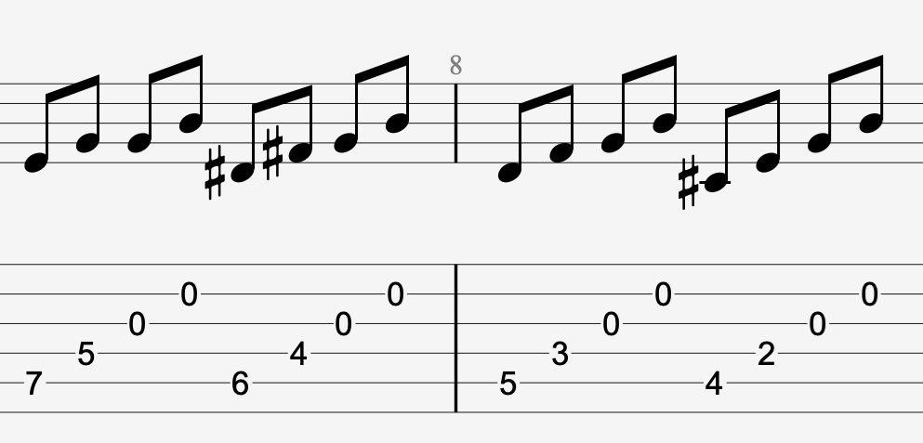
arpèges

